Sheet1
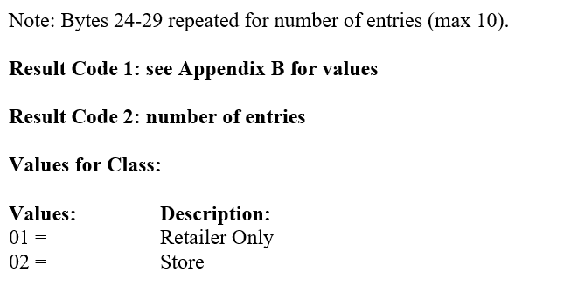
 | TestByte |  | Size | Field Contents |  | Hexa | Bin | Dec
 | Start | End
 | 1 | 1 | 1 | Control | Sequence | 23 | Control=0010 Sequence=0011 | 2 3 | Control -> x10 - Application Message Sequence -> 3
 | 2 | 2 | 1 | Type = 13 | Subtype = 03 | D3 | Type=0001 Subtype=0000 | Type=13 Subtype=03 | Type = 3 Subtype = 1 (Game Type/Index)
 | 3 | 4 | 2 | Checksum |  | 09 9B
 | 5 | 5 | 1 | Statistics[1] |  | 01 |  |  | Keyboard Entry
 | 6 | 7 | 2 | Option Flags |  | 00 00 |  | 0
 | 8 | 8 + n - 1 | n | Option Data[2] |  | N | N | N | N
 | 8 + n | 8 + n | 1 | Class (see below) |  | 01 |  | 1 | Retailer Only
 | 9 + n | 9 + n | 1 | Subclass (not used) |  | 00 |  | 0 | 0 (not used)
 | 10 + n | 13 + n | 4 | Retailer number |  | 00 04 93 E6 |  | 300006 | 0300006
 | 14 + n | 15 + n | 2 | Pass number (not used) |  | 00 00 |  | 0 | 0 (not used)
 | 16 + n | 17 + n | 2 | Game Number[3] |  | 00 00 |  | 0
 | 18 + n | 21 + n | 4 | Free Space |  | 00 00 00 00 |  | 0
 | 22 + n | 23 + n | 2 | Continuation Game Number |  | 01 AC |  | 428
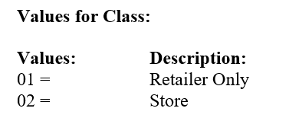

 | TestByte |  | Size | Field Contents
 | Start | End
 | 1 | 1 | 1 | Control | Sequence | 23 | Control=0010 Sequence=0011 | 2 3 | Control -> x10 - Application Message Sequence -> 3
 | 2 | 2 | 1 | Type = 13 | Subtype = 03 | D3 | Type=0001 Subtype=0000 | Type=13 Subtype=03 | Type = 3 Subtype = 1 (Game Type/Index)
 | 3 | 4 | 2 | Checksum |  | 9E A1
 | 5 | 7 | 3 | Time Stamp (seconds since midnight) |  | 00 E6 6A |  | 58986 | 16:23:06.
 | 8 | 9 | 2 | Julian Date (3 digits, unsigned) |  | 00 31 |  | 49 | 31+18=49
 | 10 | 12 | 3 | External Serial Number (8 digits, unsigned) |  | C7 7B 1A
 | 13 | 13 | 1 | Check Digits (3 digits, unsigned) |  | A8
 | 14 | 14 | 1 | Result Code 1 (see below) |  | 00 |  | 0 | No error
 | 15 | 15 | 1 | Result Code 2 (see below) |  | 09 |  | 9 | 9 entries (nº ciclos 24-28 bytes)
 | 16 | 16 | 1 | Class (see below) |  | 01 |  | 1 | Retailer Only
 | 17 | 17 | 1 | "More" Flag (0 = no, 1 = yes) |  | 00 |  | 0 | 0 = no
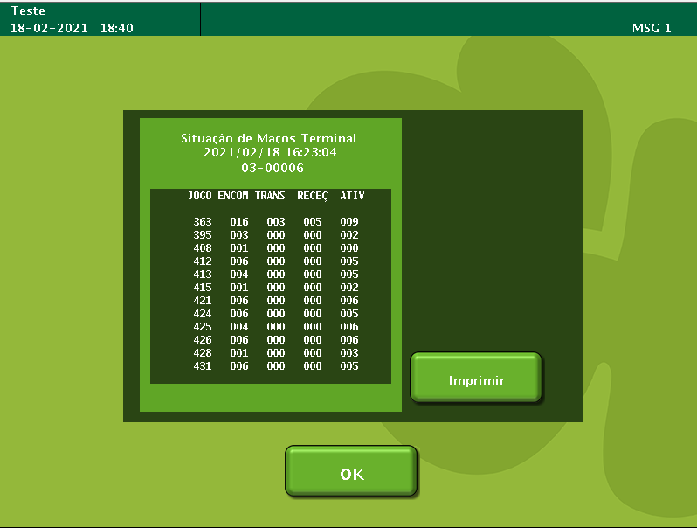
 | 18 | 21 | 4 | Next pack number (not used) |  | 00 00 00 00 |  | 0 | 0 = (not used)
 | 22 | 23 | 2 | Continuation game number |  | 00 00 |  | 0
1º | 24 | 25 | 2 | Game Number |  | 01 AC |  | 428
 | 26 | 26 | 1 | On Order |  | 01 |  | 1
 | 27 | 27 | 1 | In Transit |  | 00 |  | 0
 | 28 | 28 | 1 | On Hand |  | 00 |  | 0
 | 29 | 29 | 1 | Active |  | 03 |  | 3
2º | 24 | 25 | 2 | Game Number |  | 01 AF |  | 431
 | 26 | 26 | 1 | On Order |  | 06 |  | 6
 | 27 | 27 | 1 | In Transit |  | 00 |  | 0
 | 28 | 28 | 1 | On Hand |  | 00 |  | 0
 | 29 | 29 | 1 | Active |  | 05 |  | 5
3º | 24 | 25 | 2 | Game Number |  | 01 B1 |  | 433
 | 26 | 26 | 1 | On Order |  | 03 |  | 3
 | 27 | 27 | 1 | In Transit |  | 00 |  | 0
 | 28 | 28 | 1 | On Hand |  | 00 |  | 0
 | 29 | 29 | 1 | Active |  | 03 |  | 3
4º | 24 | 25 | 2 | Game Number |  | 01 B2 |  | 434
 | 26 | 26 | 1 | On Order |  | 05 |  | 5
 | 27 | 27 | 1 | In Transit |  | 00 |  | 0
 | 28 | 28 | 1 | On Hand |  | 00 |  | 0
 | 29 | 29 | 1 | Active |  | 05 |  | 5
5º | 24 | 25 | 2 | Game Number |  | 01 B5 |  | 437
 | 26 | 26 | 1 | On Order |  | 0B |  | 11
 | 27 | 27 | 1 | In Transit |  | 00 |  | 0
 | 28 | 28 | 1 | On Hand |  | 00 |  | 0
 | 29 | 29 | 1 | Active |  | 0A |  | 10
6º | 24 | 25 | 2 | Game Number |  | 01 B6 |  | 438
 | 26 | 26 | 1 | On Order |  | 04 |  | 4
 | 27 | 27 | 1 | In Transit |  | 00 |  | 0
 | 28 | 28 | 1 | On Hand |  | 00 |  | 0
 | 29 | 29 | 1 | Active |  | 04 |  | 4
7º | 24 | 25 | 2 | Game Number |  | 01 B8 |  | 440
 | 26 | 26 | 1 | On Order |  | 04 |  | 4
 | 27 | 27 | 1 | In Transit |  | 00 |  | 0
 | 28 | 28 | 1 | On Hand |  | 00 |  | 0
 | 29 | 29 | 1 | Active |  | 07 |  | 7
8º | 24 | 25 | 2 | Game Number |  | 01 BC |  | 444
 | 26 | 26 | 1 | On Order |  | 07 |  | 7
 | 27 | 27 | 1 | In Transit |  | 00 |  | 0
 | 28 | 28 | 1 | On Hand |  | 00 |  | 0
 | 29 | 29 | 1 | Active |  | 00 |  | 0
9º | 24 | 25 | 2 | Game Number |  | 01 BD |  | 445
 | 26 | 26 | 1 | On Order |  | 0B |  | 11
 | 27 | 27 | 1 | In Transit |  | 00 |  | 0
 | 28 | 28 | 1 | On Hand |  | 00 |  | 0
 | 29 | 29 | 1 | Active |  | 09 |  | 9

